Sheet1
Problem statement

An oil company is considering drilling a new prospect the staff has evaluated available information such as Logs , Cores and geological data from nearby wells and estimated
the following reservoir parameters:
Area = 3000 acres
Net pay thickness = 100 feet
Porosity = 12%
Water saturation = 35%
Initial formation oil factor = 1.3 rb/STB
Recovery factor = 20%
What is the recoverable oil volume?
Calculate production schedule if nominal Decline rate = 10% annually , Initial rate = 3000 BOPD ( barrel of oil per day)

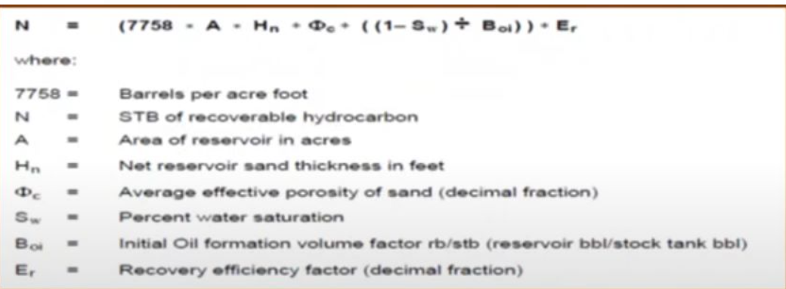
Data |  |  |  | Volumetrics
A | 3000 | acres
H | 100 | ft
Phie(ɸ) | 0.12
Sw | 0.35
Boi | 1.3 | rbbl/STB
R.F | 0.2
Qi | 3000 | BOPD
Dn | 10%

Solution

1- Calculate Original oil in place
OOIP | 140 | MMSTB

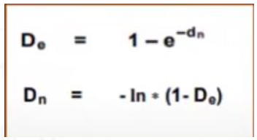
2-Calculate reserve |  |  |  | Effective Vs nominal | EXP.Equation
Reserve | 28 | MMSTB

3-Calculate effective decline rate
De | 9.516%

4-Calculate production schedule

Forecast
Exponential decline
Year | Q, BOPD | N, MSTB
0 | 3000 | 0
1 | 2715 | 1042
2 | 2456 | 1985
3 | 2222 | 2838
4 | 2011 | 3610
5 | 1820 | 4308
6 | 1646 | 4941
7 | 1490 | 5512
8 | 1348 | 6030
9 | 1220 | 6498
10 | 1104 | 6922

 |  |  | We can see that when the production flow rate increase , the recovarable oil volume is decreasing .
 |  |  | That is because the Well is been produced so the oil in the reservoir is reducing .

